Sheet1
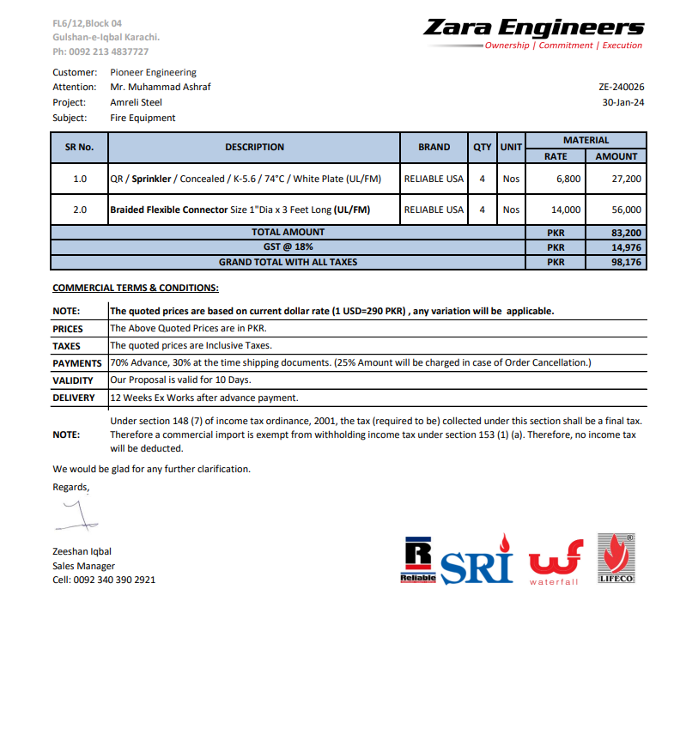


PES/AMR/006/1/24 |  |  |  |  |  |  |  | 2024-01-30
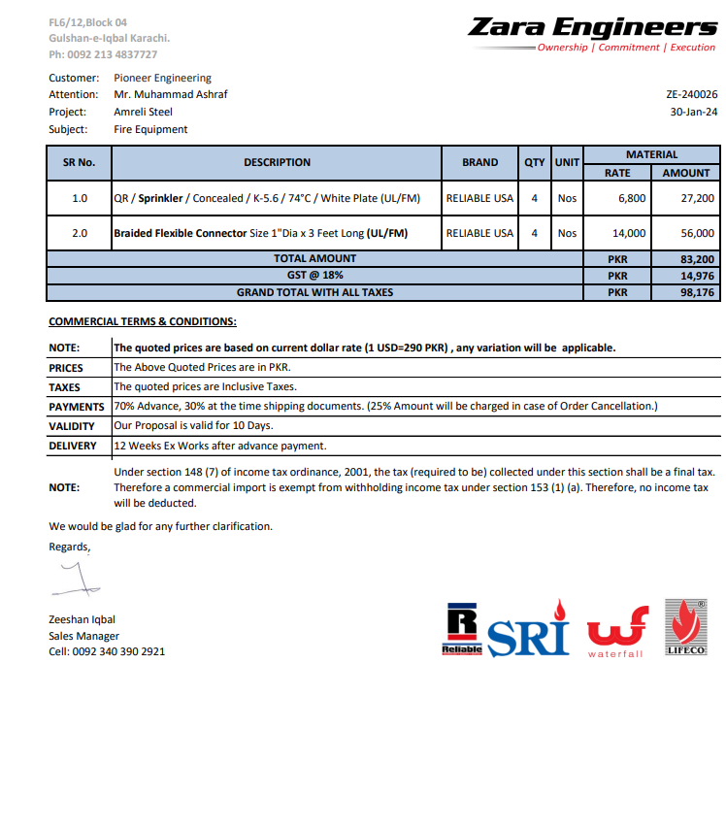

Attn: Mr. Taha Ghaznevi

Variation order for Fire Flexible Pipe & Sprinklers - Amreli Office DMC Karachi

S. # | Description | Material Rate | Labour Rate | Over Head profit 20% | Tax 7.5% | Unit | Qty | Amount
1 | Dismatling of up right sprinkler. | - | 500 | 100 | 45 | No | 4 | 2,580
2 | Dismatling of Fire Fighting pipe. | - | 15,000 | 3,000 | 1,350 | Job | 1 | 19,350
3 | Supply and installation of flexible fire pipe 25mm | 16,520 | 1,000 | 3,504 | 1,577 | No | 4 | 90,403
4 | Supply and installation of Concealed pendent sprinkler with cover. | 8,024 | 1,500 | 1,905 | 857 | No | 4 | 49,144
Total Amount Rs. |  |  |  |  |  |  |  | 161,477

Thanking you,

For PIONEER ENGINEERING SERVICES.

Bilal Habib

